9-2
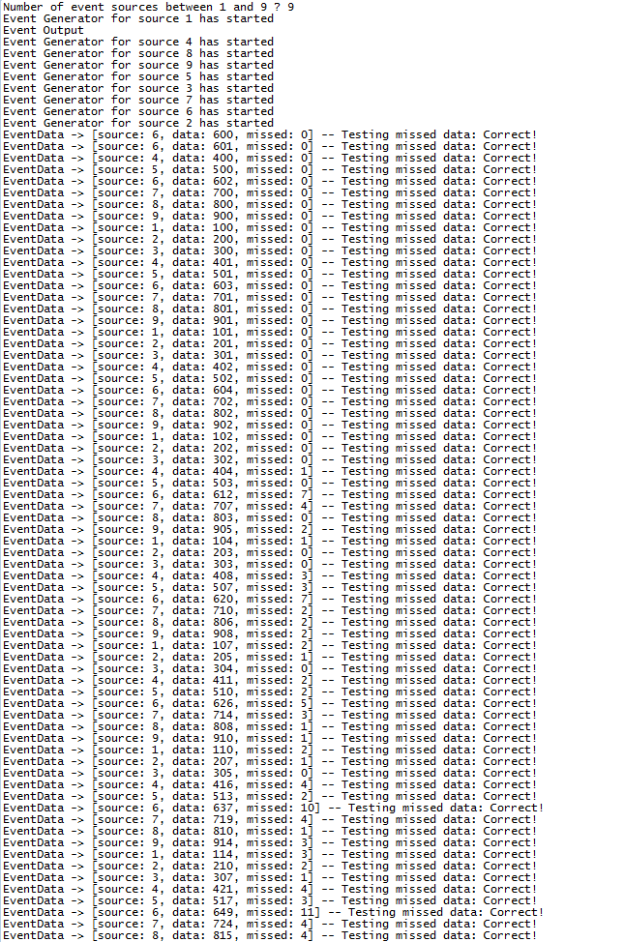
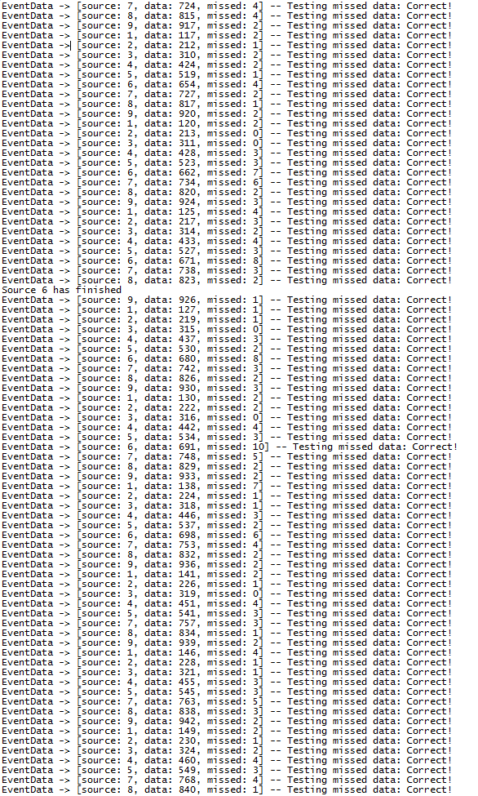
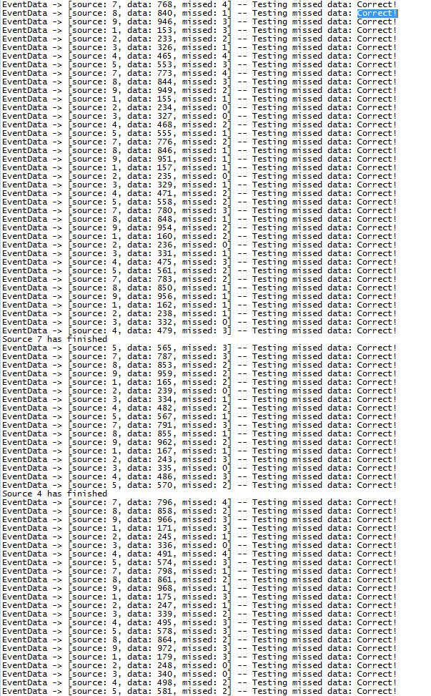
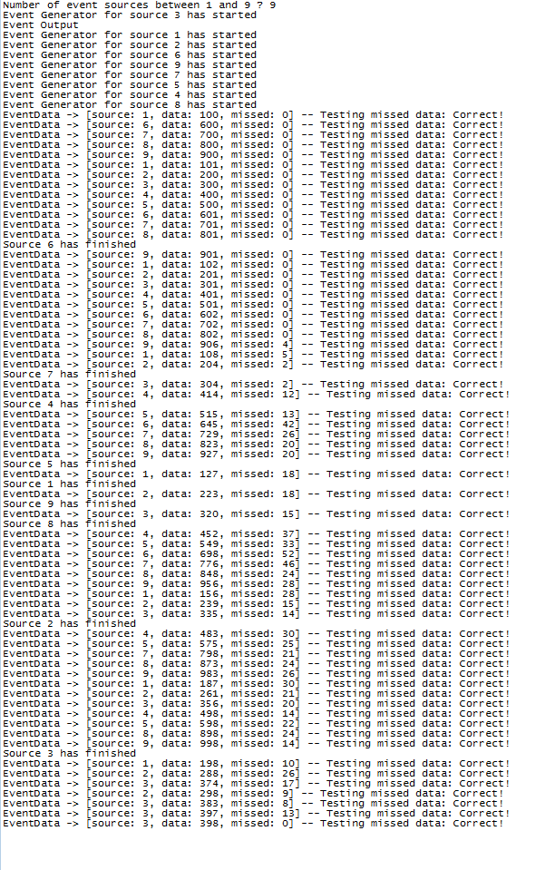
 |  |  |  | Changing delay times of each event source

 |  |  |  |  | Processing Times (ms) |  |  |  |  |  |  | System Performance (Number of misses)
Experiment Number | Event Source 1 | Event Source 2 | Event Source 3 | Event Source 4 | Event Source 5 | Event Source 6 | Event Source 7 | Event Source 8 | Event Source 9 | Event Processing | Experiment Number | Event Source 1 | Event Source 2 | Event Source 3 | Event Source 4 | Event Source 5 | Event Source 6 | Event Source 7 | Event Source 8 | Event Source 9 | Total
1 | Min - 10 Max - 100 | Min - 20 Max - 150 | Min - 30 Max - 200 | Min - 40 Max - 50 | Min - 50 Max - 60 | Min - 10 Max - 30 | Min - 20 Max - 60 | Min - 30 Max - 100 | Min - 40 Max - 80 | Min - 10 Max - 400 | 1 | 93 | 92 | 86 | 94 | 94 | 95 | 94 | 93 | 93 | 834
2 | Min - 100 Max - 1000 | Min - 20 Max - 150 | Min - 30 Max - 200 | Min - 40 Max - 50 | Min - 50 Max - 60 | Min - 10 Max - 30 | Min - 20 Max - 60 | Min - 30 Max - 100 | Min - 40 Max - 80 | Min - 10 Max - 400 | 2 | 10 | 92 | 91 | 94 | 94 | 94 | 94 | 93 | 93 | 755
3 | Min - 100 Max - 1000 | Min - 200 Max - 1500 | Min - 30 Max - 200 | Min - 40 Max - 50 | Min - 50 Max - 60 | Min - 10 Max - 30 | Min - 20 Max - 60 | Min - 30 Max - 100 | Min - 40 Max - 80 | Min - 10 Max - 400 | 3 | 7 | 4 | 88 | 94 | 94 | 94 | 94 | 93 | 93 | 661
4 | Min - 100 Max - 1000 | Min - 200 Max - 1500 | Min - 300 Max - 2000 | Min - 40 Max - 50 | Min - 50 Max - 60 | Min - 10 Max - 30 | Min - 20 Max - 60 | Min - 30 Max - 100 | Min - 40 Max - 80 | Min - 10 Max - 400 | 4 | 12 | 3 | 0 | 93 | 93 | 94 | 93 | 92 | 92 | 572
5 | Min - 100 Max - 1000 | Min - 200 Max - 1500 | Min - 300 Max - 2000 | Min - 400 Max - 500 | Min - 50 Max - 60 | Min - 10 Max - 30 | Min - 20 Max - 60 | Min - 30 Max - 100 | Min - 40 Max - 80 | Min - 10 Max - 400 | 5 | 26 | 6 | 3 | 42 | 93 | 94 | 93 | 93 | 92 | 542
6 | Min - 100 Max - 1000 | Min - 200 Max - 1500 | Min - 300 Max - 2000 | Min - 400 Max - 500 | Min - 500 Max - 600 | Min - 100 Max - 300 | Min - 200 Max - 600 | Min - 300 Max - 1000 | Min - 400 Max - 800 | Min - 10 Max - 400 | 6 | 65 | 29 | 21 | 72 | 75 | 83 | 74 | 54 | 60 | 533
7 | Min - 100 Max - 1000 | Min - 200 Max - 1500 | Min - 300 Max - 2000 | Min - 400 Max - 500 | Min - 500 Max - 600 | Min - 100 Max - 300 | Min - 200 Max - 600 | Min - 300 Max - 1000 | Min - 400 Max - 800 | Min - 100 Max - 4000 | 7 | 91 | 91 | 89 | 93 | 93 | 94 | 93 | 92 | 92 | 828

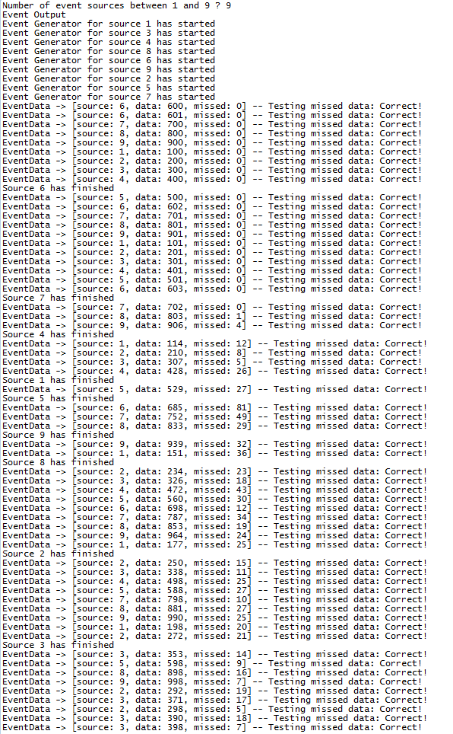
Experiment 1 image |  |  |  |  |  | Experiment 6 images
 |  |  |  |  |  |  |  |  |  |  |  |  |  |  |  |  |  |  |  |  |  | Experiment 7 image
 |  |  |  |  |  | 1 |  |  |  |  |  |  | 2 |  |  |  |  |  |  | 3

9-3
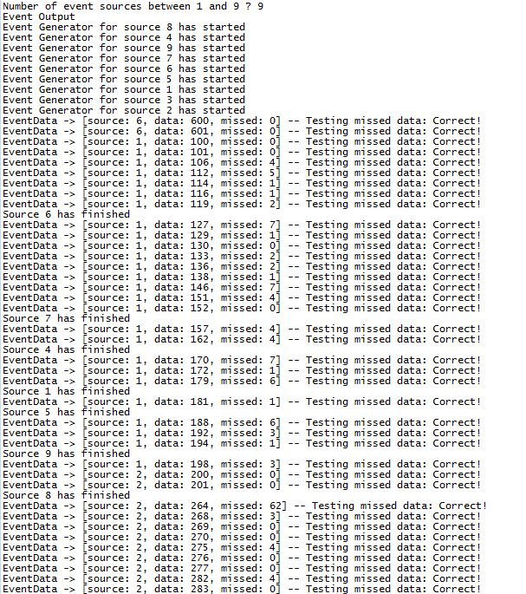
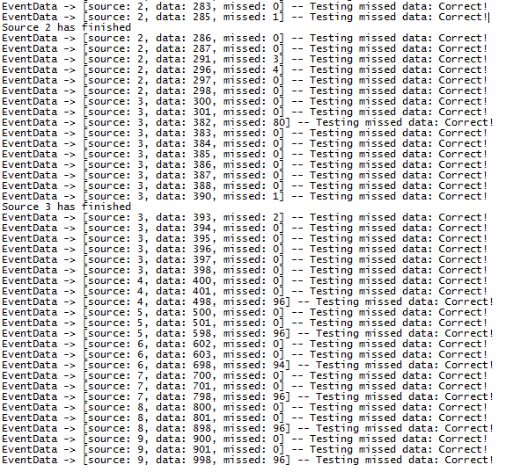
 |  |  |  | Individual Event source change

 |  |  | System Performance (Number of misses)
Experiment Number | Multiplexer type | Event Source 1 | Event Source 2 | Event Source 3 | Event Source 4 | Event Source 5 | Event Source 6 | Event Source 7 | Event Source 8 | Event Source 9 | Total
1 | FairMultiplex | 93 | 92 | 86 | 94 | 94 | 95 | 94 | 93 | 93 | 834
2 | PriMultiplex | 73 | 81 | 83 | 96 | 96 | 94 | 96 | 96 | 96 | 811
3 | Multiplexer | 93 | 92 | 90 | 94 | 93 | 93 | 93 | 92 | 92 | 832

Experiment 1 |  |  |  |  |  | Experiment 2 |  |  |  |  |  |  | Experiment 3
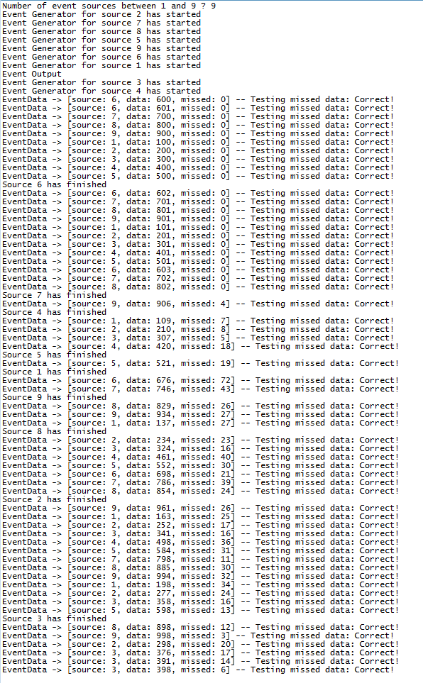
 |  |  |  |  |  | Part 1 |  |  |  |  |  | Part 2

